Salomon
Photo | SKU | Description + Color | Gender | WHS | RRP | 40 | 40.666666667 | 41.333333333 | 42 | 42.666666667 | 43.333333333 | 44 | 44.666666667 | 45.333333333 | 46 | 46.666666667 | 47.333333333 | 48 | 49.333333333 | Total
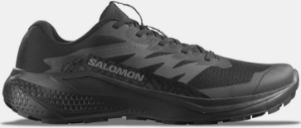 | L47948300 | BANK ALPHAGLIDE BLACK/ASPH BLACK / ASPHALT / BLACK | Men | 50.00 € | 100.00 € |  |  | 16 | 43 | 52 | 89 | 83 | 59 | 81 | 63 | 39 | 1 |  |  | 526
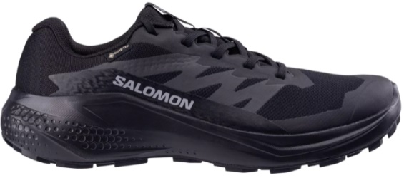 | L47802100 | BANK ALPHAGLIDE GTX BLACK BLACK / ASPHALT / BLACK | Men | 60.00 € | 120.00 € |  |  | 14 | 35 | 47 | 85 | 89 | 49 | 77 | 59 | 36 |  |  |  | 491
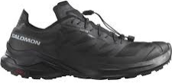 | L47701900 | TRAIL RUNNING - XA META XA META MADE IN FRANC BLACK / BLACK / BLACK | Men | 60.00 € | 120.00 € |  |  | 3 | 31 | 2 | 58 | 23 | 37 | 37 | 47 | 2 | 3 |  |  | 243
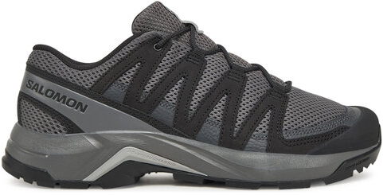 | L47813400 | MULTI-FUNCTION - X-ADVENTURE X-ADVENTURE RECON CAS CASTLEROCK / PHANTOM / ALLOY | Men | 55.00 € | 110.00 € |  |  | 1 | 1 | 1 | 9 | 15 | 11 | 41 | 59 | 47 | 8 | 4 | 2 | 199
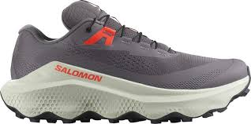 | L47742100 | TRAIL RUNNING - ULTRA ULTRA GLIDE 3 EXCALIBUR / ICICLE / NEON FLAME | Men | 75.00 € | 150.00 € |  |  | 11 | 18 | 9 | 28 | 29 | 9 | 25 | 12 | 3 | 3 |  |  | 147
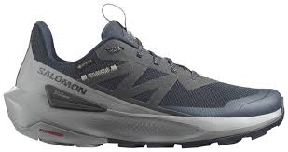 | L47455800 | HIKING & MULTIF - ELIXIR ELIXIR ACTIV GTX CARBON / SHARKSKIN / SLATE GREEN | Men | 72.50 € | 145.00 € |  |  | 2 | 25 |  | 31 | 30 |  | 26 | 12 | 1 |  |  |  | 127
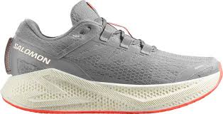 | L47810600 | RUNNING - AERO AERO GLIDE 3 ALLOY / VANILLA ICE / NEON FLAME | Men | 80.00 € | 160.00 € |  |  | 9 | 20 | 8 | 24 | 24 | 8 | 15 | 13 | 4 |  |  |  | 125
 | L47112000 | RECOVERY - REELAX REELAX SLIDE 6.0 BLAC BLACK / BLACK / ALLOY | Men | 37.50 € | 75.00 € |  |  | 8 | 9 | 10 | 29 | 30 | 3 | 25 | 11 |  |  |  |  | 125
 | L47110800 | RECOVERY - REELAX REELAX BREAK 6.0 BLAC BLACK / BLACK / ALLOY | Men | 35.00 € | 70.00 € |  |  | 5 | 6 | 5 | 24 | 23 | 7 | 23 | 4 | 6 | 4 |  |  | 107
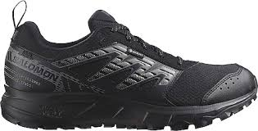 | L47148400 | TRAIL RUNNING - XA PRO WANDER GTX BLACK / PEWTER / FROST GRAY | Men | 55.00 € | 110.00 € |  |  | 7 | 17 | 3 | 11 | 18 | 2 | 18 | 13 | 8 |  |  |  | 97
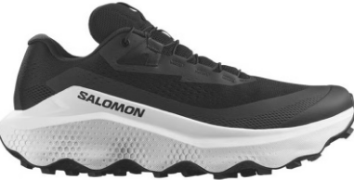 | L47742200 | TRAIL RUNNING - ULTRA ULTRA GLIDE 3 BLACK / WHITE / BLACK | Men | 75.00 € | 150.00 € |  |  | 4 | 7 | 6 | 11 | 11 | 5 | 9 | 7 | 3 | 3 |  |  | 66
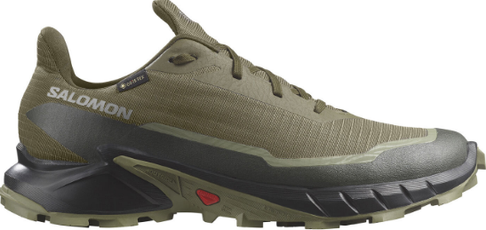 | L47310300 | TRAIL RUNNING - CROSS ALPHACROSS 5 GTX OLIVE NIGHT / BLACK / DEEP LICHEN GREEN | Men | 65.00 € | 130.00 € |  |  |  | 6 |  | 9 | 10 |  | 11 | 9 | 3 |  |  |  | 48
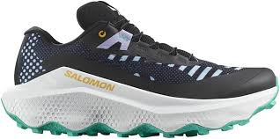 | L47807300 | TRAIL RUNNING - ULTRA ULTRA GLIDE 3 PROTO PACK BLACK / WHITE / WATERFALL | Men | 80.00 € | 160.00 € |  |  | 3 | 4 | 5 | 5 | 5 | 2 | 10 | 2 | 2 | 2 |  |  | 40
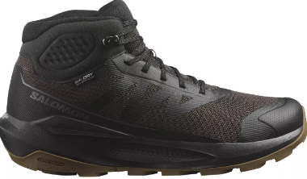 | L47577800 | HIKING - ELIXIR ELIXIR TOUR MID WP PHANTOM / BLACK / ASPHALT | Men | 70.00 € | 140.00 € |  |  | 3 |  | 5 | 4 | 4 | 3 | 5 | 1 | 2 | 3 |  |  | 30
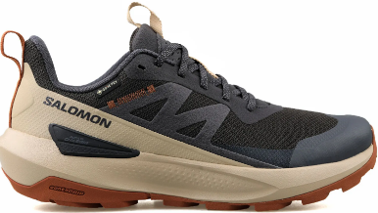 | L47560400 | HIKING & MULTIFUNC. - ELIXIR ELIXIR ACTIV GTX PHANTOM / SAFARI / CARAMEL CAFE | Men | 72.50 € | 145.00 € |  |  |  | 2 |  | 5 | 2 | 1 | 4 | 2 | 1 | 1 |  |  | 18
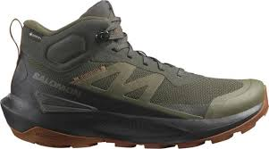 | L47560300 | HIKING - ELIXIR ELIXIR ACTIV MID GTX PEAT / BLACK / CARAMEL CAFE | Men | 82.50 € | 165.00 € |  |  |  |  |  | 6 | 3 |  | 4 | 2 |  |  |  |  | 15
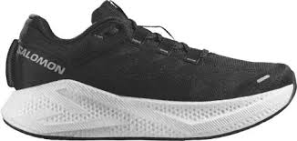 | L47756700 | RUNNING - AERO AERO GLIDE 3 BLACK / WHITE / ASPHALT | Men | 80.00 € | 160.00 € |  |  |  | 1 | 1 | 3 | 3 | 1 | 2 | 1 | 1 |  |  |  | 13
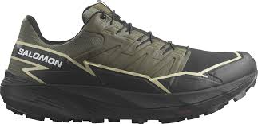 | L47383400 | TRAIL RUNNING - CROSS THUNDERCROSS GTX OLIVE NIGHT / BLACK / ALFALFA | Men | 80.00 € | 160.00 € |  |  |  | 2 | 1 | 1 | 1 |  | 1 | 1 | 3 | 1 |  |  | 11
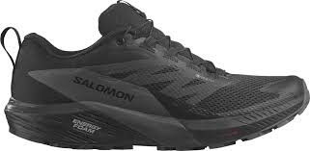 | L47147200 | TRAIL RUNNING - SENSE SENSE RIDE 5 GTX BLACK / MAGNET / BLACK | Men | 75.00 € | 150.00 € |  |  | 1 | 1 | 2 | 2 | 1 |  | 1 | 1 | 1 |  |  |  | 10
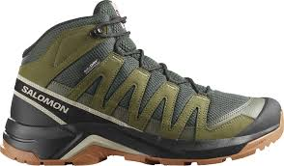 | L47814600 | MULTI-FUNCTION - X-ADVENTURE X-ADVENTURE RECON MID PEAT / MARTINI OLIVE / OXFORD TAN | Men | 75.00 € | 150.00 € | 1 |  | 2 |  |  | 1 | 1 |  |  | 1 |  | 1 |  |  | 7
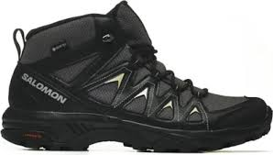 | L47430500 | HIKING & MULTIF - X-SERIES X BRAZE MID GTX URBAN CHIC / BLACK / SLATE GREEN | Men | 67.50 € | 135.00 € |  |  | 1 | 1 | 1 | 1 |  |  |  | 1 | 1 | 1 |  |  | 7
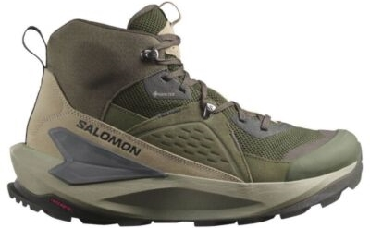 | L47697800 | HIKING & MULTIFUNC. - ELIXIR ELIXIR MID GTX PEAT / VINTAGE KHAKI / CASTLEROCK | Men | 105.00 € | 210.00 € |  |  |  | 1 |  |  | 1 | 1 |  | 1 | 1 | 1 |  |  | 6
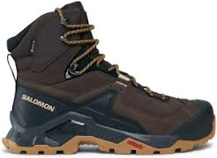 | L47216100 | BACKPACKING - QUEST QUEST ELEMENT GTX DELICIOSO / BLACK / DULL GOLD | Men | 95.00 € | 190.00 € |  |  |  | 1 |  | 1 |  |  |  | 1 | 1 | 1 |  |  | 5
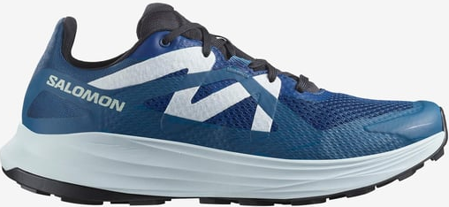 | L47762600 | TRAIL RUNNING - ULTRA ULTRA FLOW POSEIDON / BALLAD BLUE / BLACK | Men | 65.00 € | 130.00 € |  |  | 1 |  | 1 |  |  | 1 |  |  |  |  |  |  | 3
 |  |  |  |  |  |  |  |  |  |  |  |  |  |  |  |  |  |  |  | 2466

